2009 Revenue and Expend. Charts
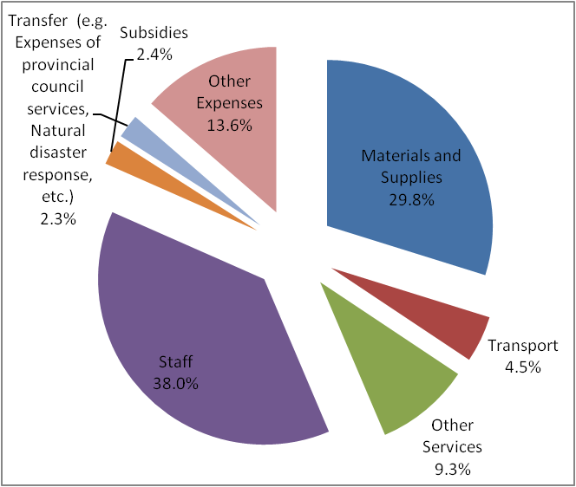
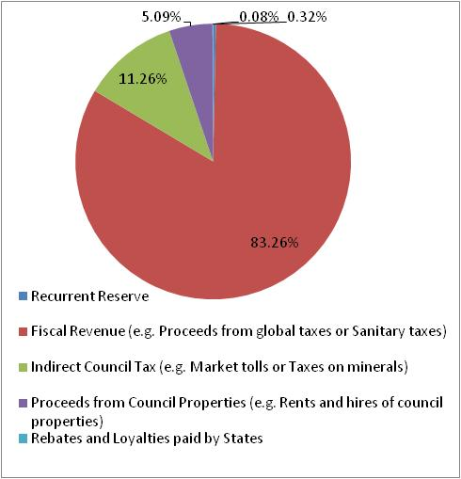

Fiscal Revenue consists of items such as: Proceeds from global taxes; proceeds from business; Cattle taxes; Sanitary taxes, Council ladditional taxes for levies; Other fiscal revenues;
Indirect Council Taxes are e.g.: Slaughter taxes; Market tolls; Stamp duties;
Proceeds from Council Properties include items such as Rents and hires of council properties, etc.

 | Recurrent Reserve Fiscal Revenue (e.g. Proceeds from global taxes or Sanitary taxes) Indirect Council Tax (e.g. Market tolls or Taxes on minerals) Proceeds from Council Properties (e.g. Rents and hires of council properties) Rebates and Loyalties paid by
Recurrent Reserve | 175,000
Fiscal Revenue (e.g. Proceeds from global taxes or Sanitary taxes) | 46,173,199
Indirect Council Tax (e.g. Market tolls or Taxes on minerals) | 6,245,184
Proceeds from Council Properties (e.g. Rents and hires of council properties) | 2,824,000
Rebates and Loyalties paid by States | 42,000

Transfers include such items as: Expenses of provincial council services; Participation in magement of natural disasters; Controbution transfers paid)

 | Materials and Supplies Transport Other Services Staff Taxes and Duties Subsidies Transfer (e.g. Expenses of provincial council services, Natural disaster response, etc.) Other Expenses
Materials and Supplies | 12,179,886
Transport | 1,854,000
Other Services | 3,784,204
Staff | 15,525,216
Taxes and Duties | -
Subsidies | 1,000,000
Transfer (e.g. Expenses of provincial council services, Natural disaster response, etc.) | 950,000
Other Expenses | 5,558,514

 | Materials and Supplies Transport Other Services Staff Taxes and Duties Subsidies Transfer (e.g. Expenses of provincial council services, Natural disaster response, etc.) Other Expenses
Materials and Supplies | 12,179,886
Transport | 1,854,000
Other Services | 3,784,204
Staff | 15,525,216
Taxes and Duties | -
Subsidies | 1,000,000
Transfer (e.g. Expenses of provincial council services, Natural disaster response, etc.) | 950,000
Other Expenses | 5,558,514

